Mindmap
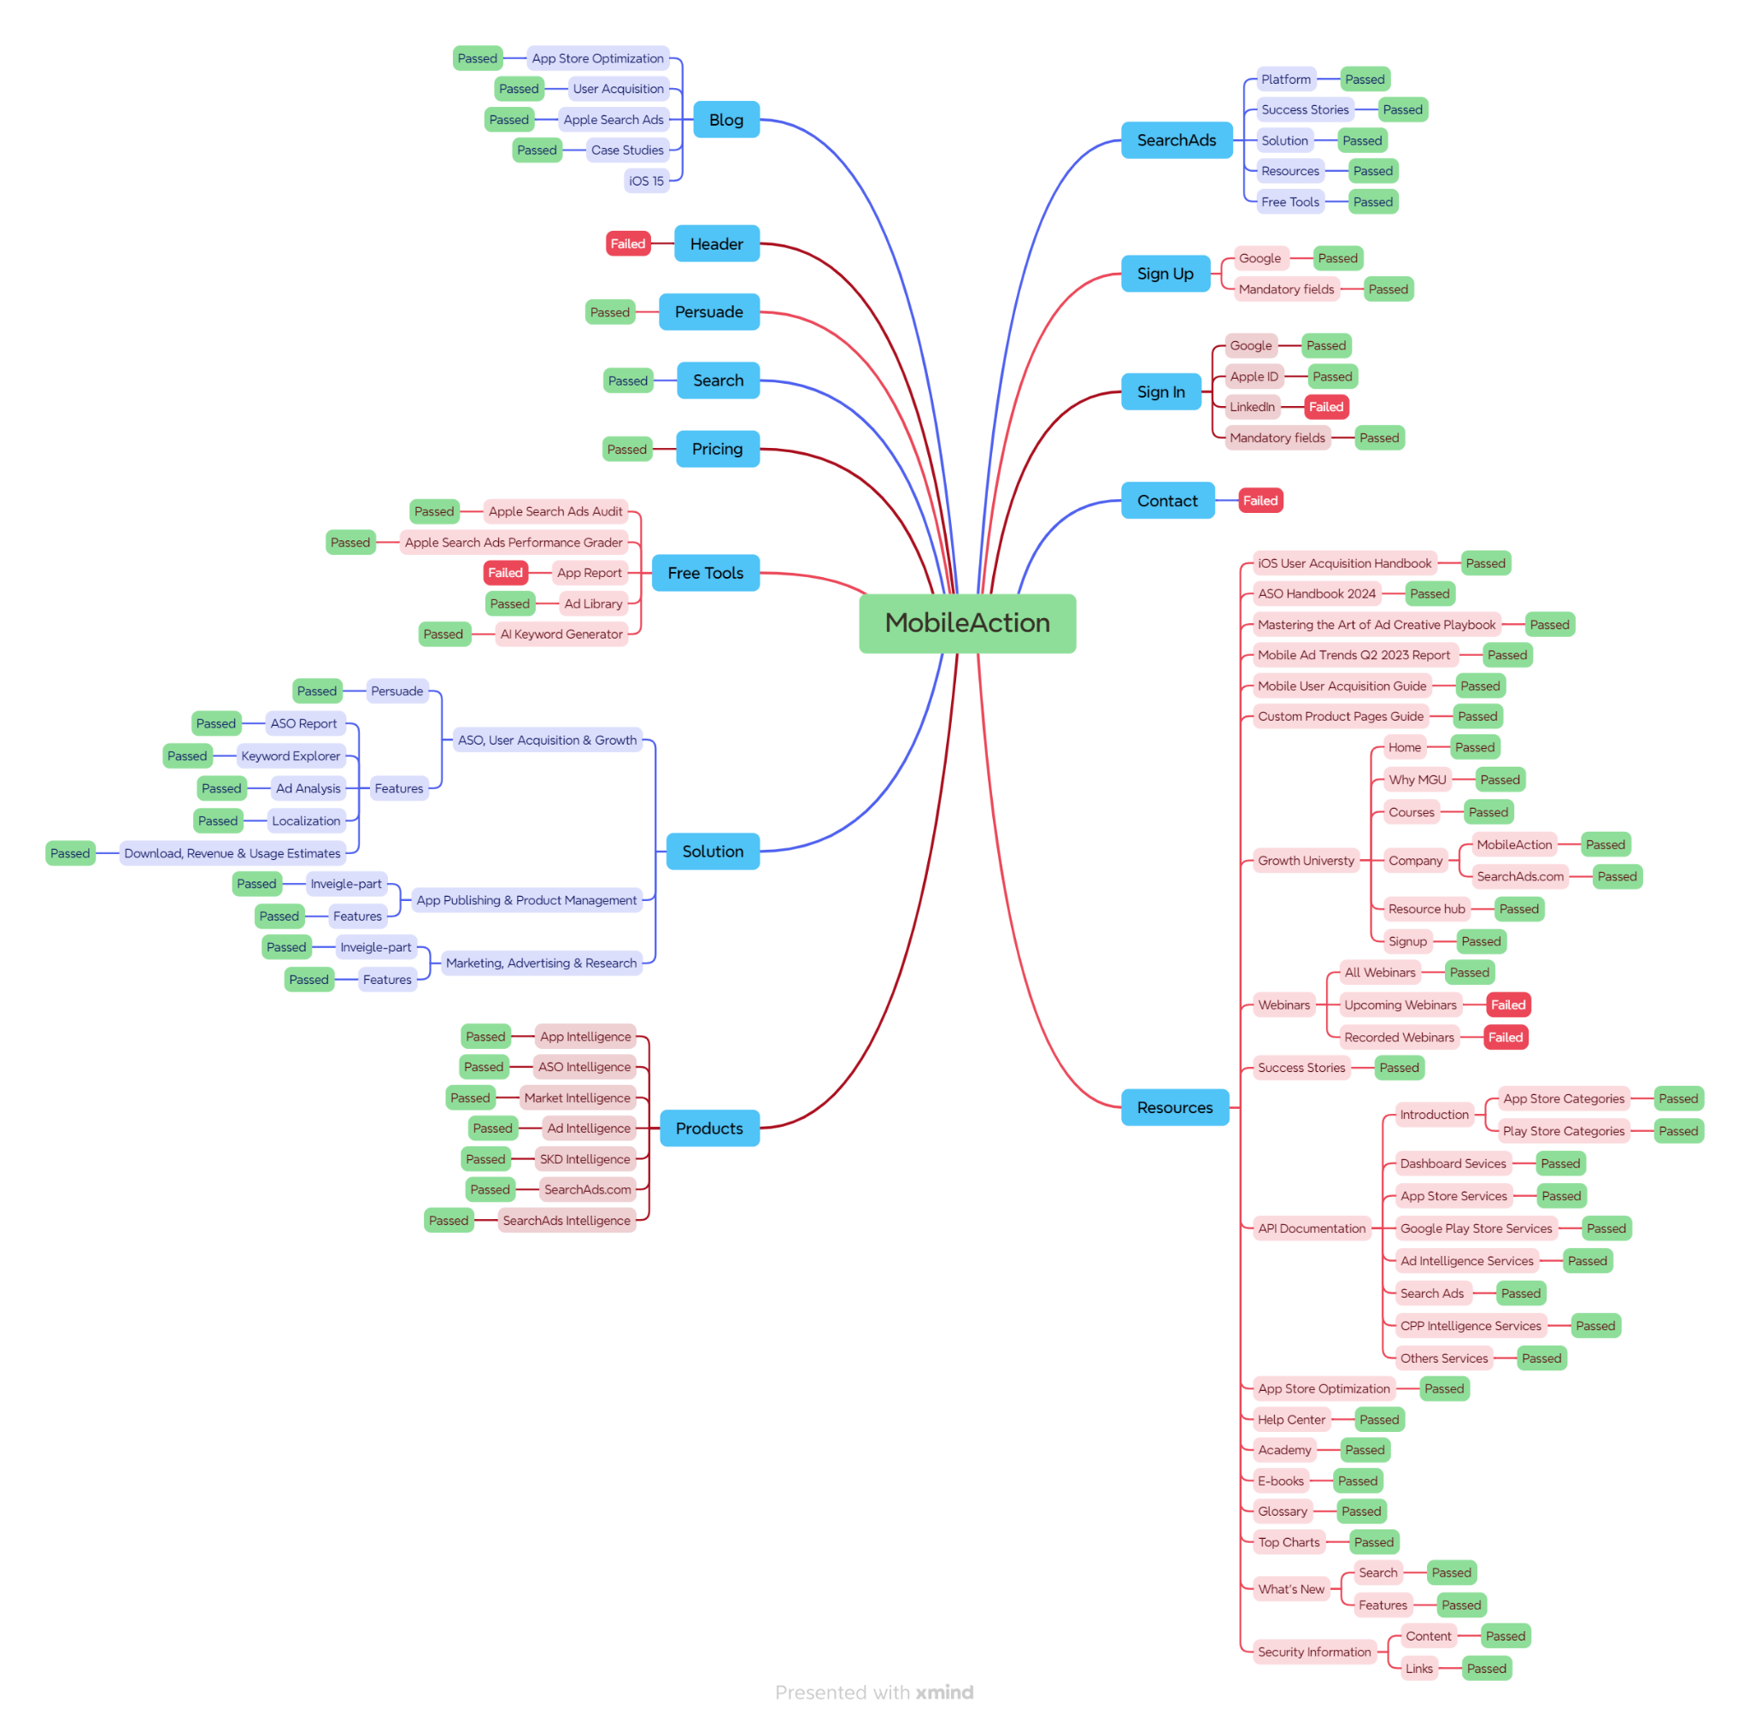
Mindmap

Test Summary Report
Test Case Report |  |  |  |  |  |  | Result :
Project Name | MobileAction
Module Name | Account. |  |  |  |  | Total No. | Status
Feature Name | Register Account & Account Login.
Test Case Version | 1 |  |  |  |  | 47 | PASS
Written By | Saima Binta Younus |  |  |  |  | 6 | FAIL
Executed By | Saima Binta Younus |  |  |  |  | 6 | Not Executed | New Features:- | Testing Scope:- | Testing Environment :Google Chrome Browser
Reviewed By | Ehsanul Alam Sabbir |  |  |  |  | 0 | Out of Scope
TEST EXECUTION REPORT

Total No.
 | Total No.
PASS | 47
FAIL | 6
Not Executed | 6
Out of Scope | 0
Test Case | PASS | FAIL | Not Executed | Out Of Scope | Total TC
 | 0 | 0 | 0 | 0 | 0
Grand Total | 47 | 6 | 6 | 0 | 59

LIMITATIONS
Documents |  |  |  | Received | Useful
PRD |  |  |  | No | No
USER STORY |  |  |  | No | No

Bug Report
 | BUG REPORTING

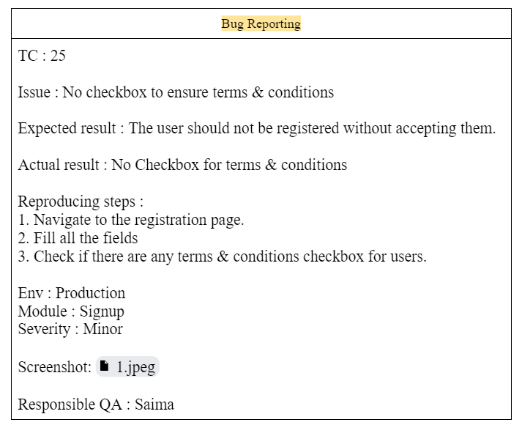
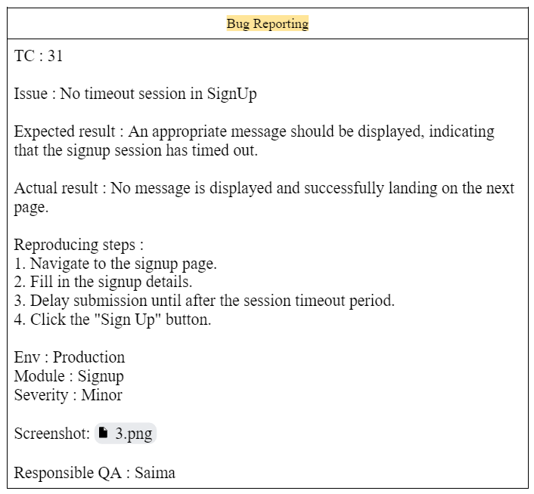
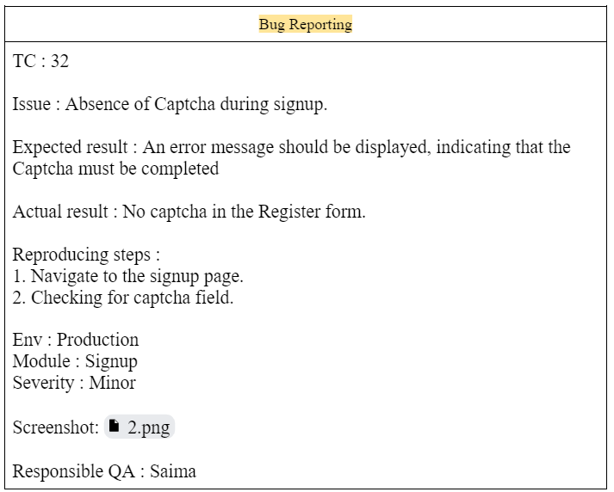

bug screenshot |  | bug screenshot | bug screenshot

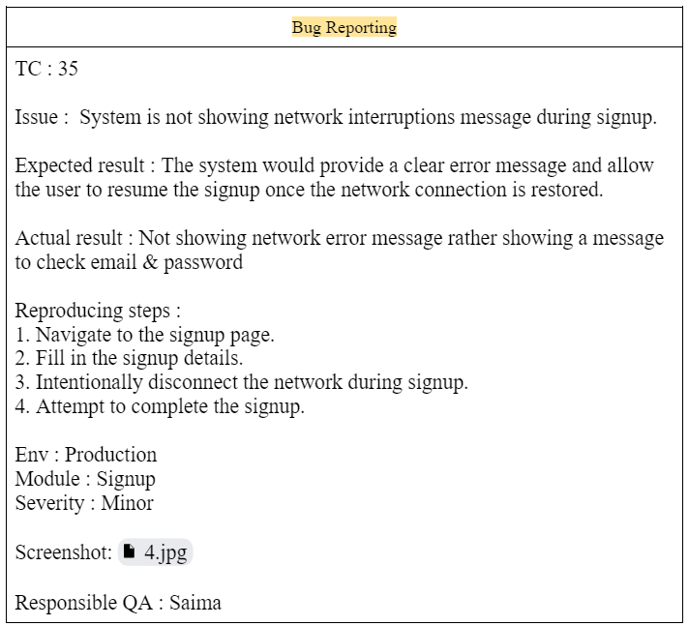
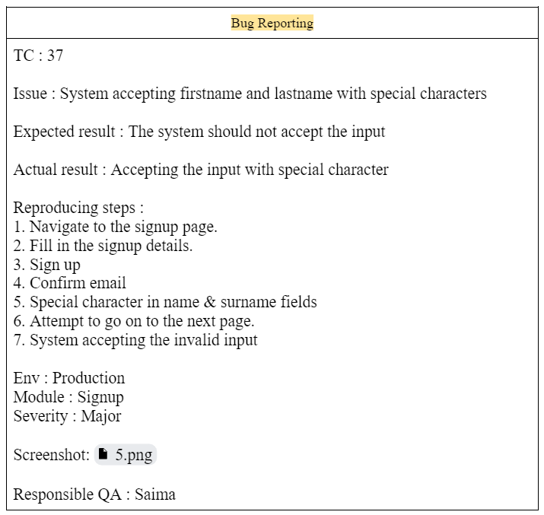

bug screenshot |  | bug screenshot

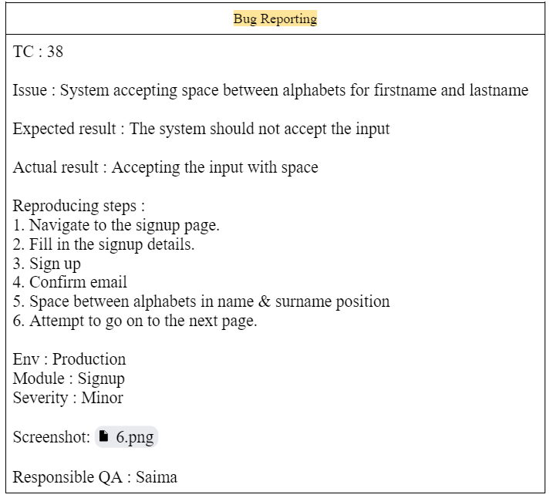

bug screenshot

